Sheet1
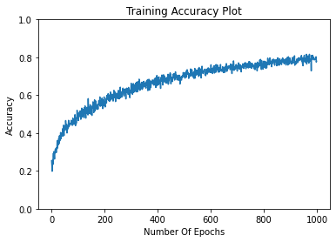
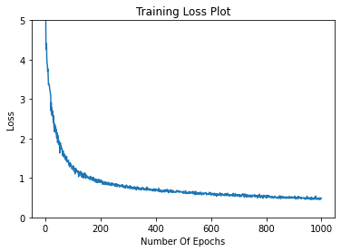
Learning rate | Batch_size | Epochs | Accuracy | Learning rate | Batch_size | Epochs | Training Set: 864 | Actual Training set:777 | Validation Set: 87
0.00001 | 16 | 1000 | 78.125 | 0.00001 | 16 | 1000 | Testing Set: 96
 |  |  |  | 0.00001 | 32 | 1000
 |  |  |  | 0.00001 | 64 | 1000
 |  |  |  | 0.00001 | 128 | 1000
 |  |  |  | 0.00001 | 256 | 1000
 |  |  |  | 0.00001 | 512 | 1000
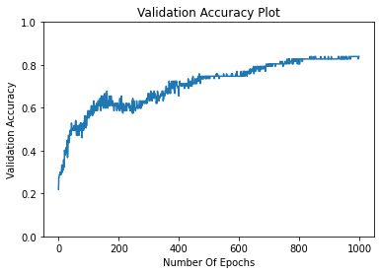
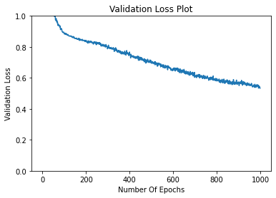
 |  |  |  | 0.0001 | 16 | 1000
 |  |  |  | 0.0001 | 32 | 1000
 |  |  |  | 0.0001 | 64 | 1000
 |  |  |  | 0.0001 | 128 | 1000
 |  |  |  | 0.0001 | 256 | 1000
 |  |  |  | 0.0001 | 512 | 1000
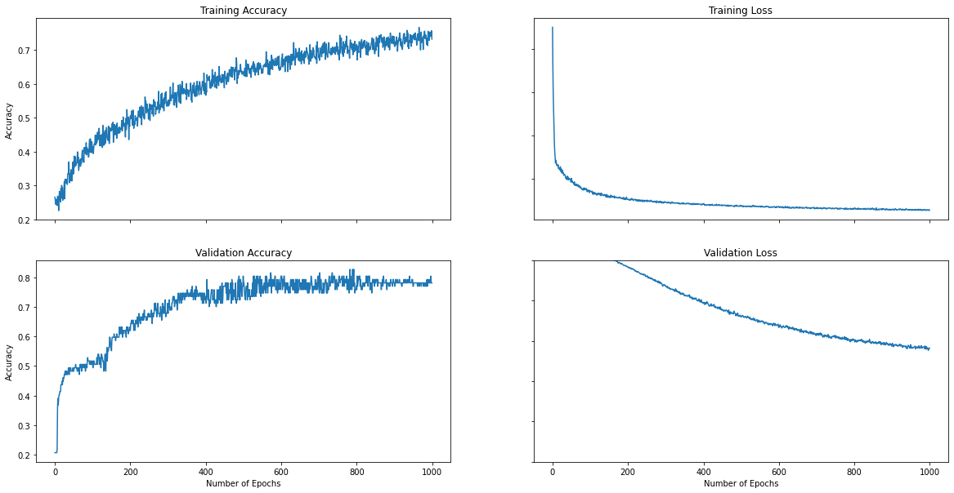
 |  |  |  | 0.00001 | 16 | 500
0.00001 | 32 | 1000 | 85.41 | 0.00001 | 32 | 500
 |  |  |  | 0.00001 | 64 | 500
 |  |  |  | 0.00001 | 128 | 500
 |  |  |  | 0.00001 | 256 | 500
 |  |  |  | 0.00001 | 512 | 500
 |  |  |  | 0.0001 | 16 | 500
 |  |  |  | 0.0001 | 32 | 500
 |  |  |  | 0.0001 | 64 | 500
 |  |  |  | 0.0001 | 128 | 500
 |  |  |  | 0.0001 | 256 | 500
 |  |  |  | 0.0001 | 512 | 500

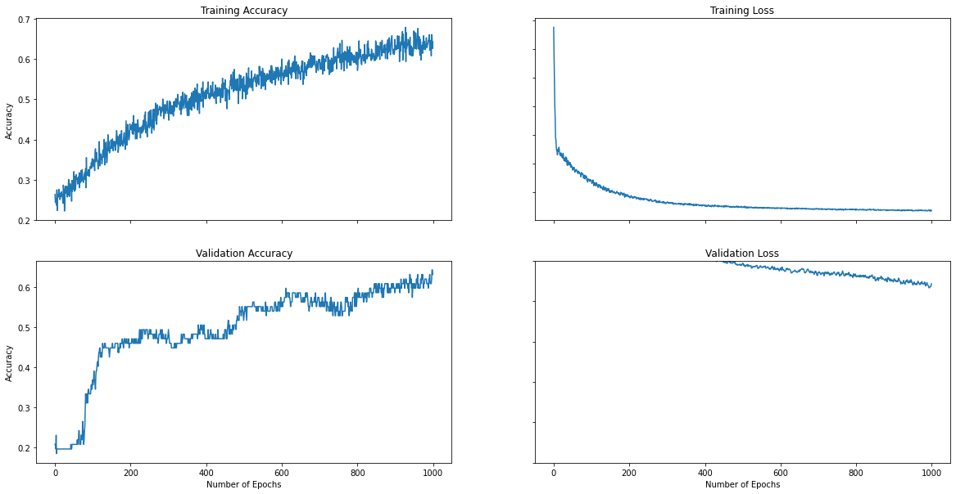
0.00001 | 64 | 1000 | 56.25

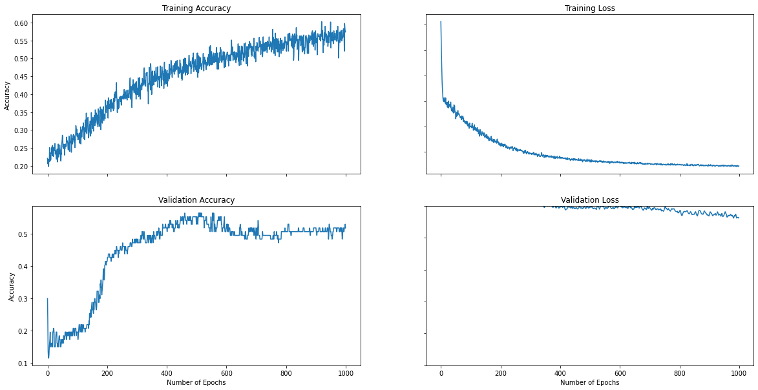
0.00001 | 128 | 1000 | 50

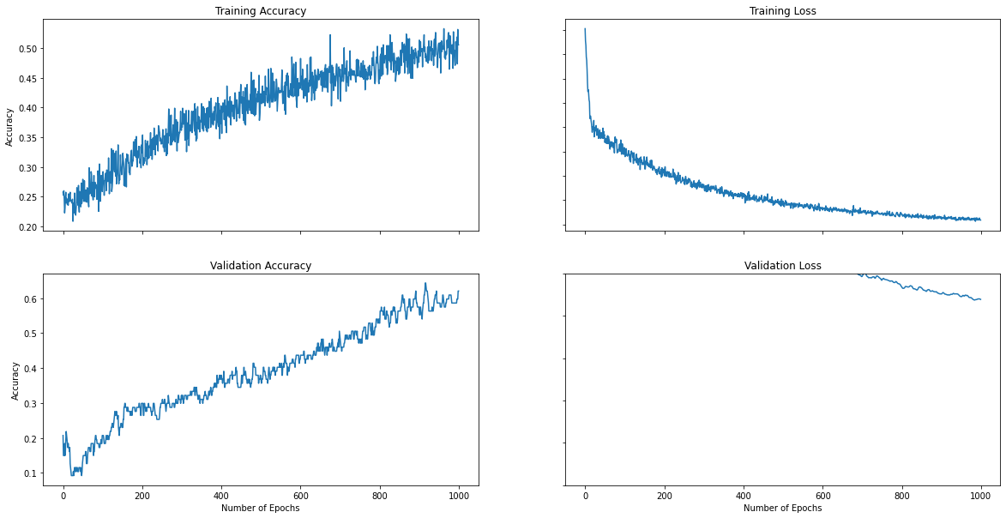
0.00001 | 256 | 1000 | 65.625

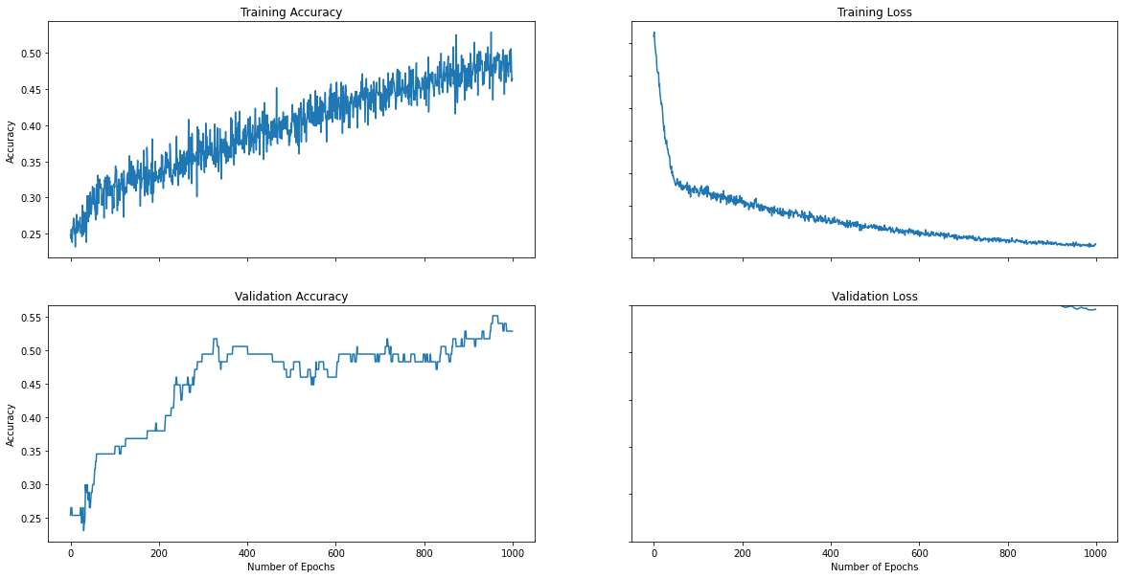
0.00001 | 512 | 1000 | 50.14

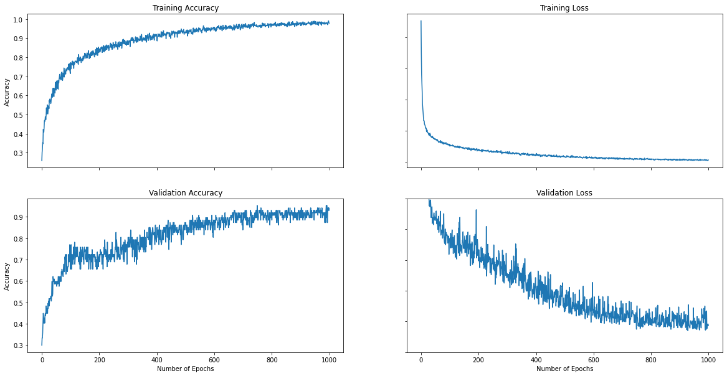
0.0001 | 16 | 1000 | 88.54

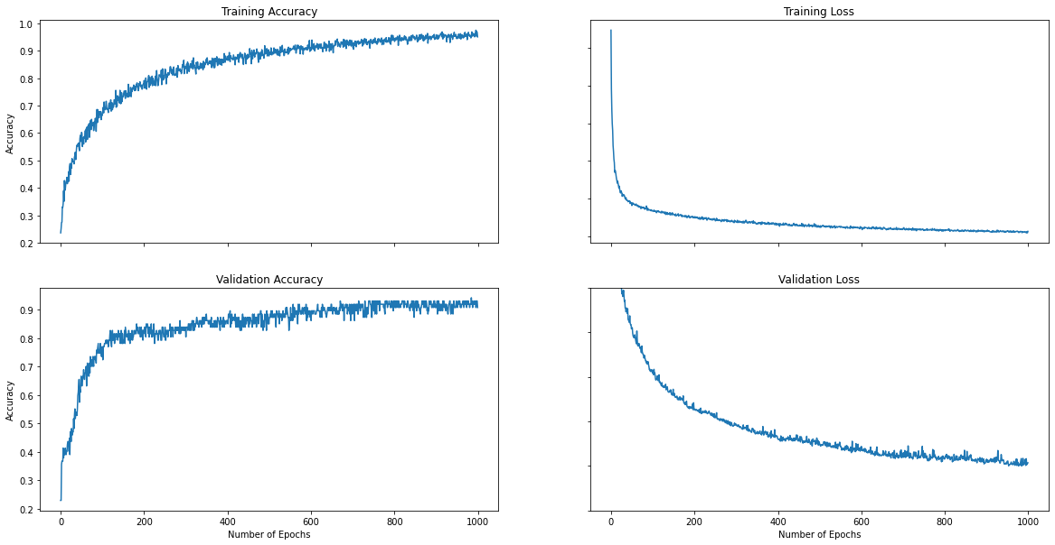
0.0001 | 32 | 1000 | 90.625

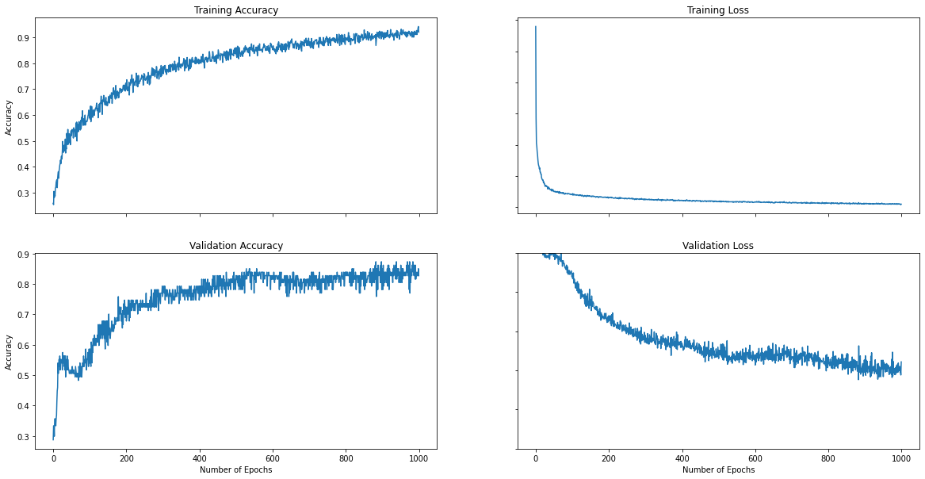
0.0001 | 64 | 1000 | 80.208

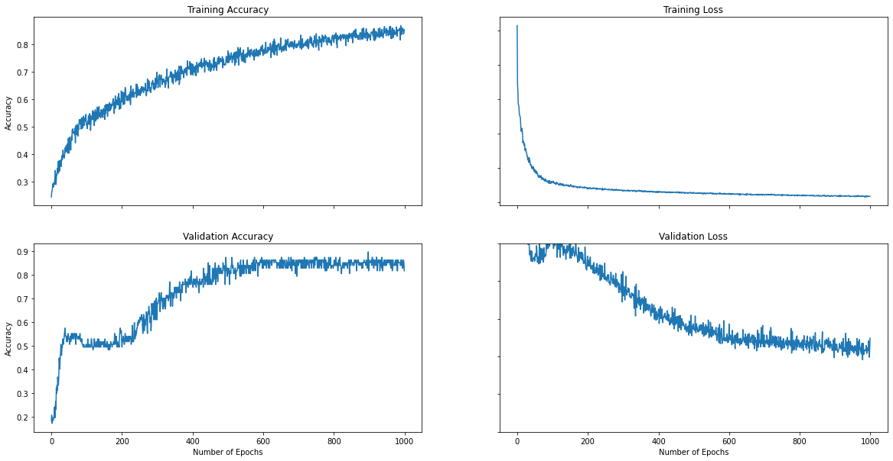
0.0001 | 128 | 1000 | 72.91

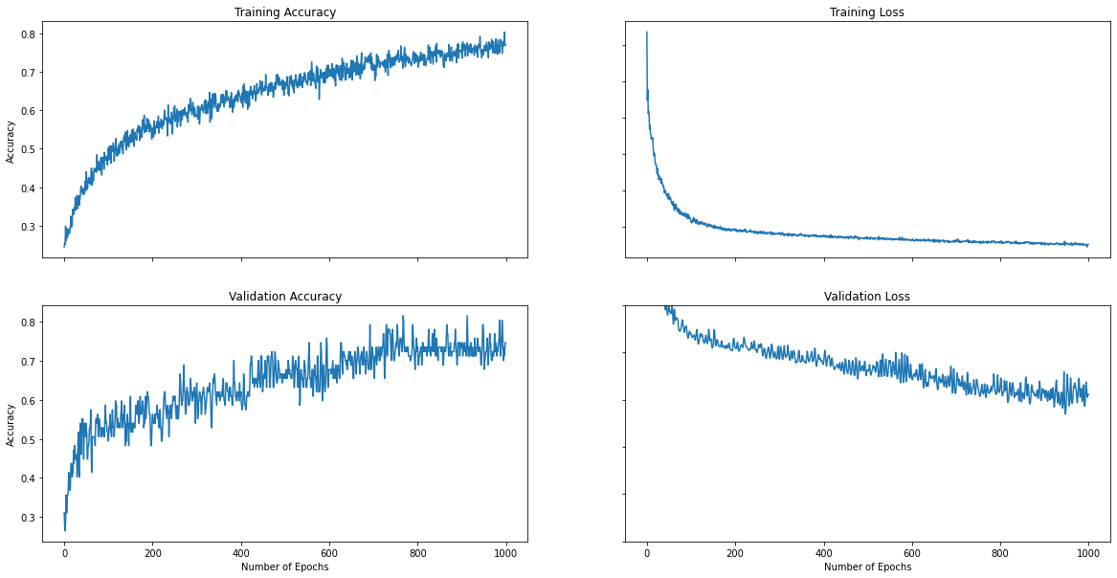
0.0001 | 256 | 1000 | 70.833

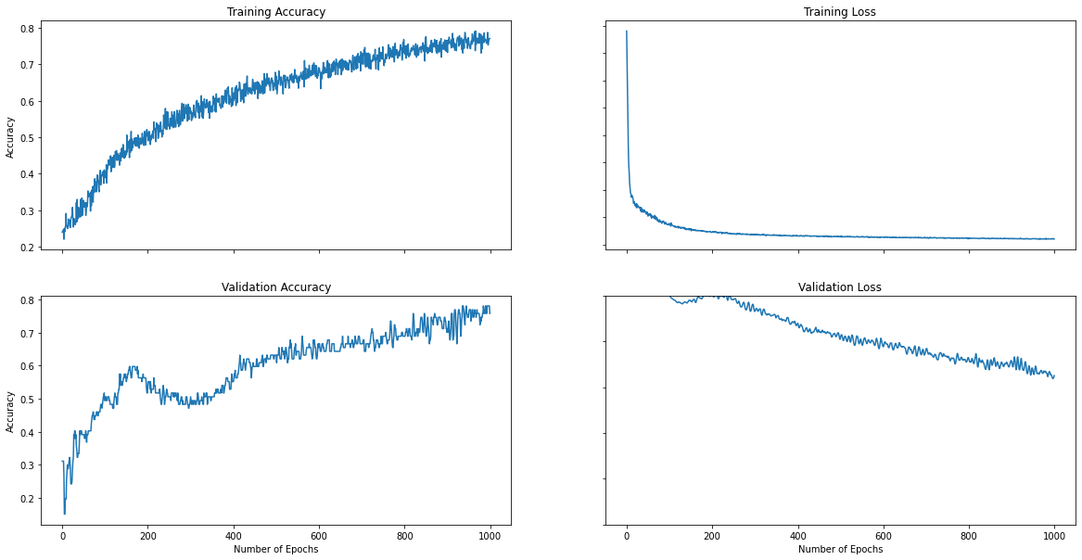
0.0001 | 512 | 1000 | 69

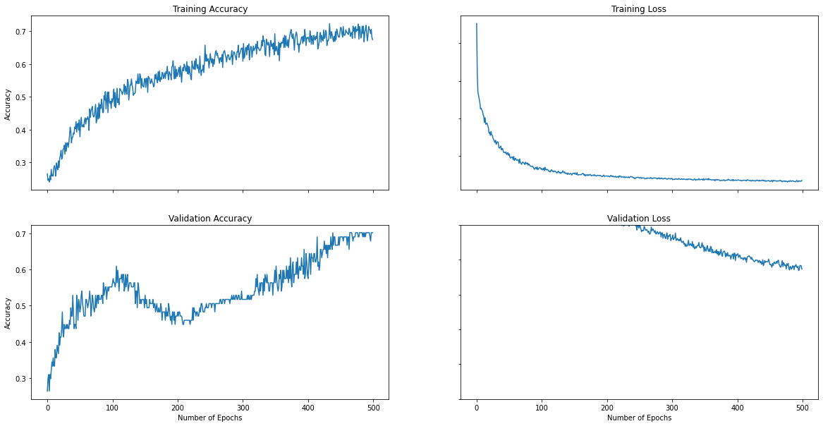
0.00001 | 16 | 500 | 70.4

0.00001 | 32 | 500 | 65.25
0.00001 | 64 | 500 | 45.9
0.00001 | 128 | 500 | 52.5
0.00001 | 256 | 500 | 40.625
0.00001 | 512 | 500 | 43.75

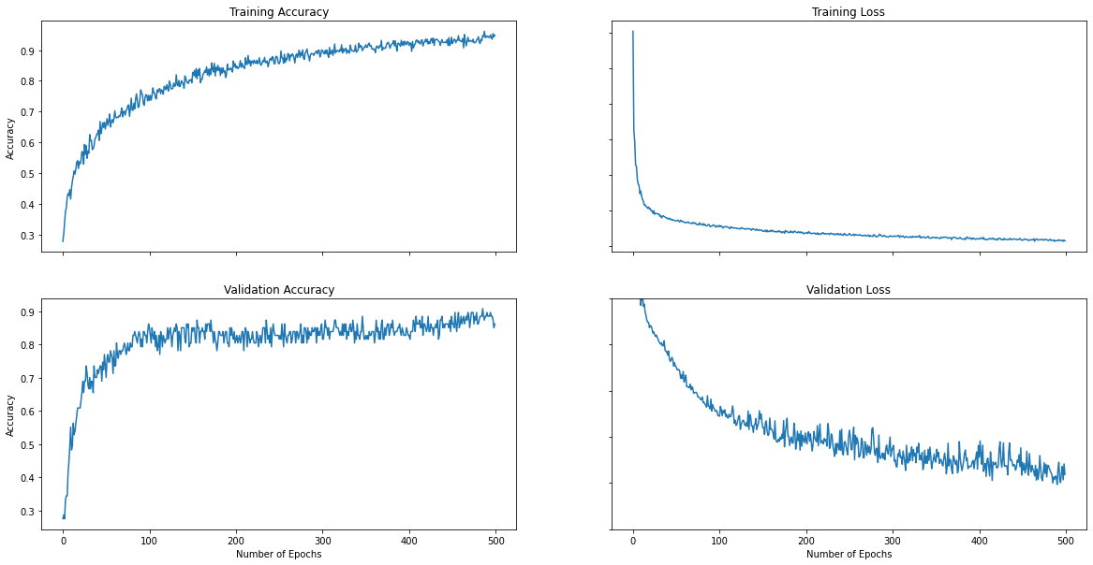
0.0001 | 16 | 500 | 95.83

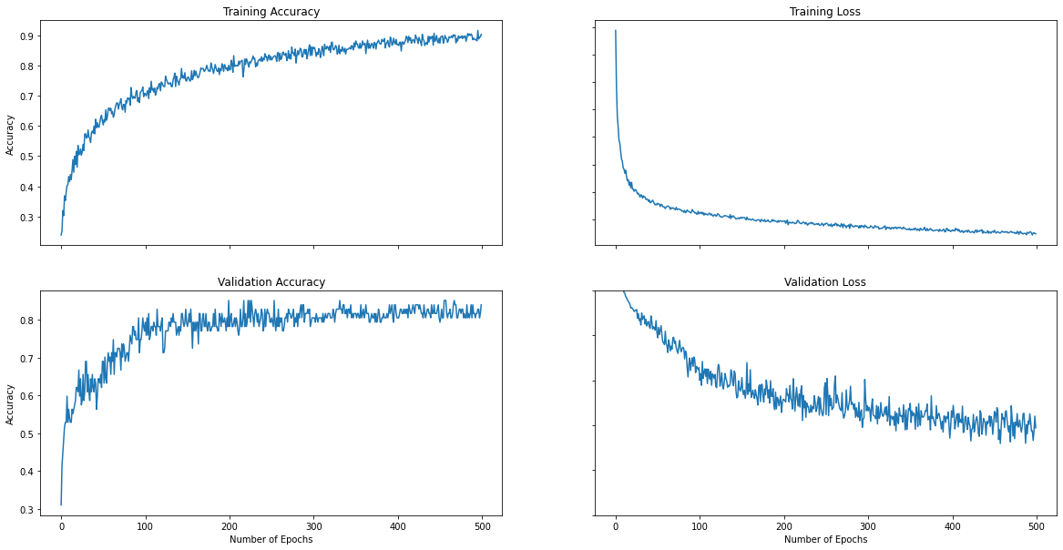
0.0001 | 32 | 500 | 85.47

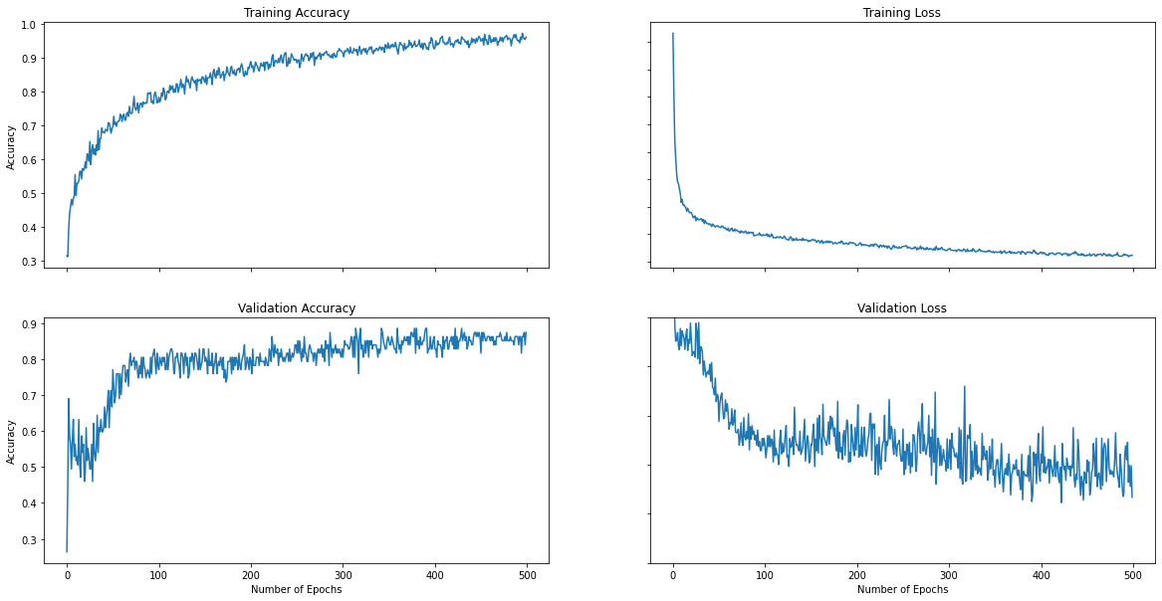
0.0001 | 8 | 500 | 90.625

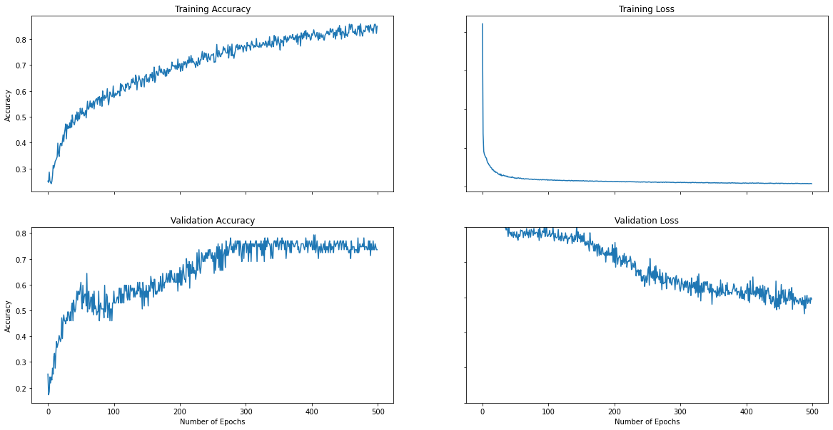
0.0001 | 64 | 500 | 82.29

0.0001 | 128 | 500 | 64.5
0.0001 | 256 | 500 | 68.75
0.0001 | 512 | 500 | 65.625

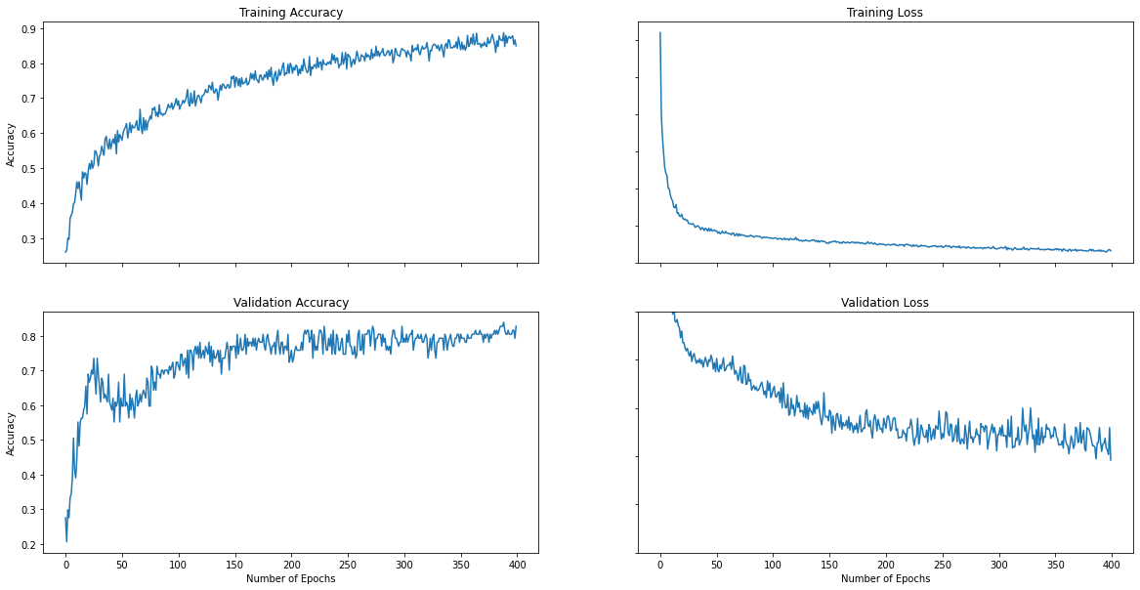
0.0001 | 32 | 400 | 86.45

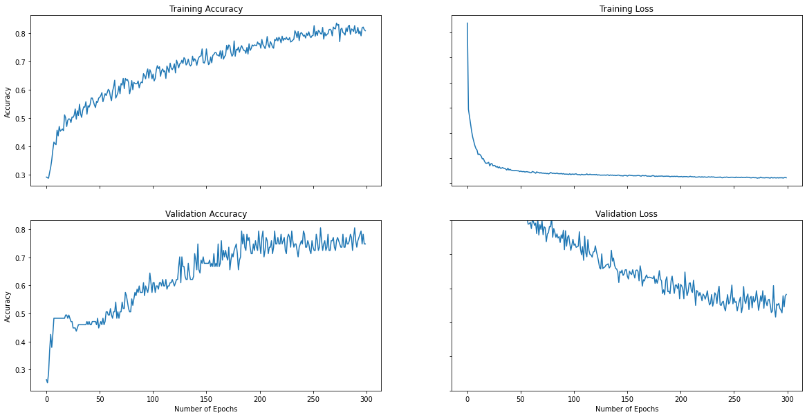
0.0001 | 32 | 300 | 82.29

0.0001 | 32 | 200 | 84.35
0.0001 | 32 | 100 | 76.4

0.001 | 32 | 500 | 95.83

0.001 | 16 | 500 | 90.625

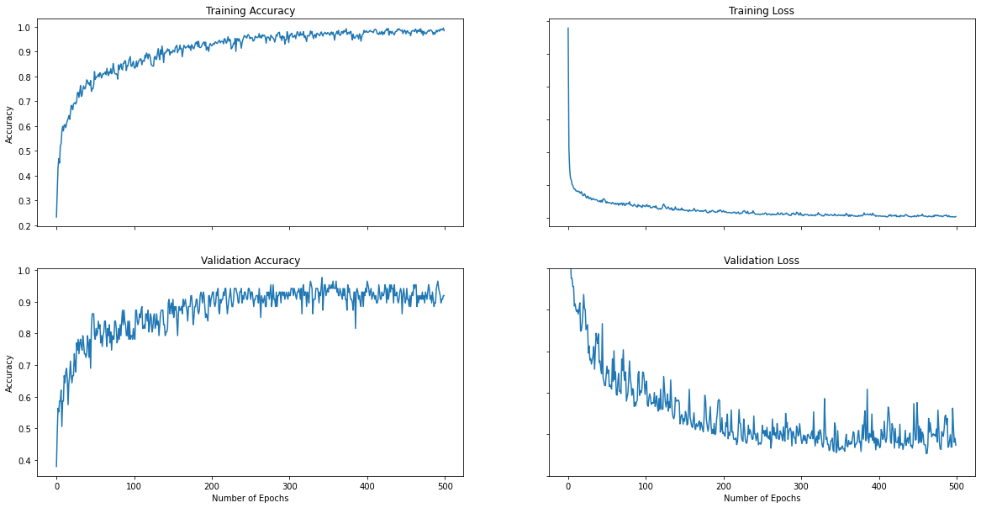
0.001 | 64 | 500 | 95.83

0.001 | 128 | 500 | 83.33

0.001 | 256 | 500 | 89.58

